Indices

 | Iraq Stock Exchange
 | Bulletin No (101)
 | ISX Trading Indices of Thursday 11/6/2026

 | Traded Volume and OTC |  | 436,781,177 |  | Traded Value and OTC |  | 727,158,452 |  | Traders | 978

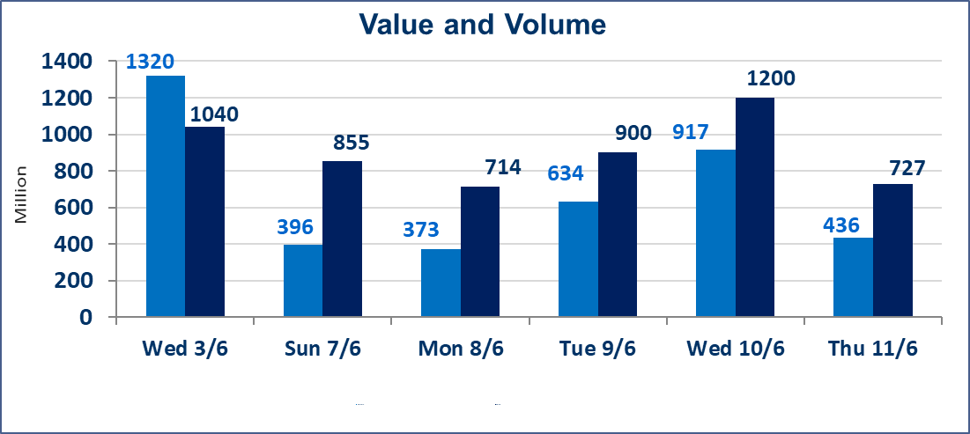
 | ISX Index 60 |  |  | 954.14 | ISX Index 15 |  |  | 1230.11
 | Previous ISX Index60 |  |  | 946.97 | Previous ISX Index15 |  |  | 1226.27
 | Change % |  |  | 0.76 | Change % |  |  | 0.31
 | Change |  |  | 7.17 | Change |  |  | 3.84

 | Listed Companies | 103 | OTC | 14 | Non Traded listed | 40 | OTC | 13
 | Traded Listed Companies | 43 | OTC | 1 | Higher Companies |  |  | 18
 | GAM Companies |  |  | 9 | Lower Companies |  |  | 6
 | Suspended Companies |  |  | 11
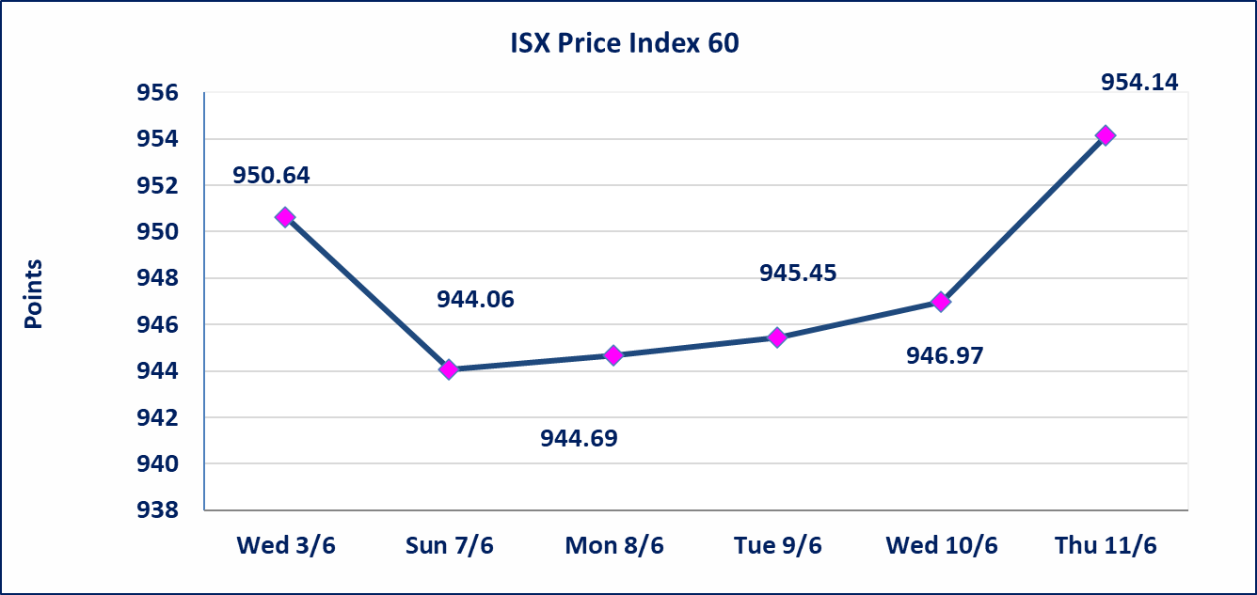
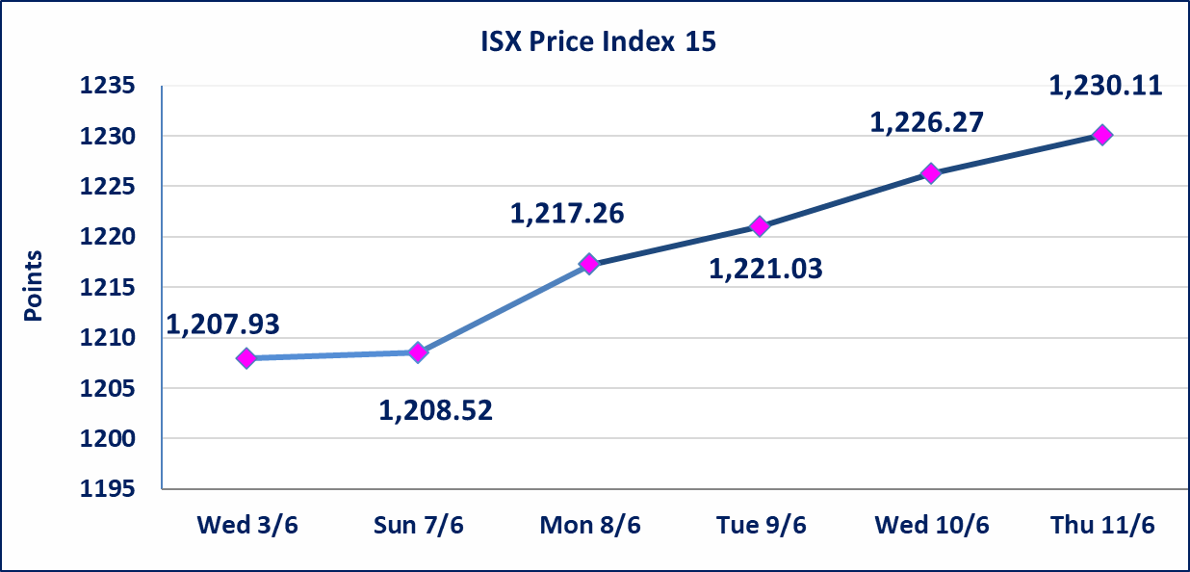

Al-Alwiya P.O . 3607 Mobile: 07711211522 - 07270094594 - 07834000034 E-mail: info-isx@isx-iq.net Web site:www.isx-iq.net

Top 5
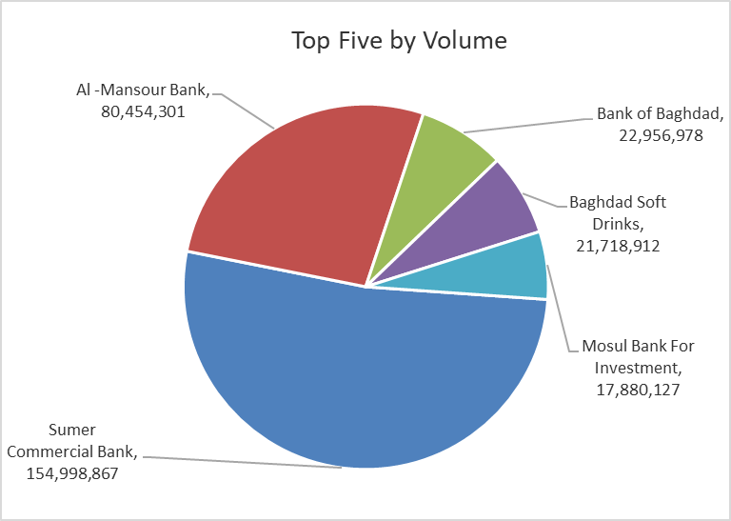
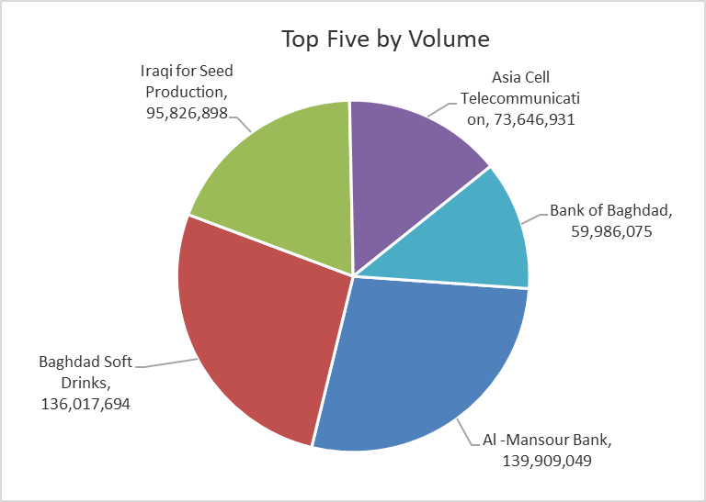

ISX top ganing and losing companies
Thursday 11/6/2026
 | Gainers |  |  |  | Losers
 | Company Name | Closing Price | Change (%) | Traded Volume | Company Name | Closing Price | Change (%) | Traded Volume
 | Electronic Industry | 1.600 | 15.11 | 3,443,626 | Baghdad Hotel | 13.050 | -10.00 | 1,162,760
 | Al-Hamraa for Insurance | 5.350 | 8.08 | 5,303 | Babil Animal & Vegetable Production | 9.700 | -3.00 | 16,961
 | Al-Taif Islamic Bank | 0.750 | 5.63 | 565,397 | Gulf Commercial Bank | 0.350 | -2.78 | 16,504,700
 | Sumer Commercial Bank | 0.200 | 5.26 | 154,998,867 | Al-Mosul for funfairs | 7.000 | -2.78 | 10,000
 | AL-Badia for General Trans | 1.400 | 5.26 | 310,264 | Iraqi for Seed Production | 6.750 | -1.32 | 14,296,228
 | The most active companies in term of traded volume and value

 | Traded Volume |  |  |  | Traded Value
 | Company Name | Closing Price | Change (%) | Traded Volume | Company Name | Closing Price | Change (%) | Traded Value
 | Sumer Commercial Bank | 0.200 | 5.26 | 154,998,867 | Al -Mansour Bank | 1.730 | 0.00 | 139,909,049
 | Al -Mansour Bank | 1.730 | 0.00 | 80,454,301 | Baghdad Soft Drinks | 6.330 | 2.76 | 136,017,694
 | Bank of Baghdad | 2.610 | 0.38 | 22,956,978 | Iraqi for Seed Production | 6.750 | -1.32 | 95,826,898
 | Baghdad Soft Drinks | 6.330 | 2.76 | 21,718,912 | Asia Cell Telecommunication | 16.400 | 0.31 | 73,646,931
 | Mosul Bank For Investment | 0.130 | 0.00 | 17,880,127 | Bank of Baghdad | 2.610 | 0.38 | 59,986,075

Non Iraqis

Iraq Stock Exchange
Non Iraqis' Bulletin Thursday Jun 11 2026
Regular Market

Non Iraqi Trading of Regular Market (Sell)
Company Names | Code | No.of trades | Traded Shares | Trading Volume
Banks Sector
Bank Of Baghdad | BBOB | 1 | 10,000 | 26,100
National Bank Of Iraq | BNOI | 8 | 3,634,889 | 14,540,954
Al-Mansour Bank | BMNS | 1 | 275,000 | 475,750
Total Bank sector |  | 10 | 3,919,889 | 15,042,804
Industry Sector
Baghdad Soft Drinks | IBSD | 1 | 50,000 | 310,000
Total Industry sector |  | 1 | 50,000 | 310,000
Grand Total |  | 11 | 3,969,889 | 15,352,804

Non Iraqi Trading of Second Market (Sell)
Company Names | Code | No.of trades | Traded Shares | Trading Volume
Banks Sector
Credit Bank Of Iraq | BROI | 1 | 250,000 | 140,000
Total Bank sector |  | 1 | 250,000 | 140,000
Grand Total |  | 1 | 250,000 | 140,000

Not Trading Bonds

Iraq Stock Exchange
Thursday 11/6/2026
Not Trading Bonds Bulletin
Bond type | Publish type | Code | last trading price | immortilize date
Banaa Bonds /Million ID | Second | CB20 | 964,981 | 19/12/2025
Eamar Bonds /Million ID | First | CB30 | 1,001,095 | ــــــــــــــــ
Eamar Bonds /Million ID | Second | CB40 | ــــــــــــــــ | ــــــــــــــــ
Eamar Bonds /500 Thousand ID | Third | CB45 | ــــــــــــــــ | ــــــــــــــــ
Eamar Bonds /Million ID | Third | CB50 | ــــــــــــــــ | ــــــــــــــــ
Injaz Bonds /500 Thousand ID | First | CB55 | ــــــــــــــــ | ــــــــــــــــ
Injaz Bonds /Million ID | First | CB60 | 951,110 | ــــــــــــــــ
Injaz Bonds /500 Thousand ID | Second | CB65 | 511,000
Injaz Bonds /Million ID | Second | CB70 | 965,050 | ــــــــــــــــ
Injaz Bonds /500 Thousand ID | Third | CB75 | ــــــــــــــــ | ــــــــــــــــ
Injaz Bonds /Million ID | Third | CB80 | 978,182 | ــــــــــــــــ
National Bonds/Million ID | First | CB90 | ــــــــــــــــ | ــــــــــــــــ
National Bonds/500 Thousand ID | Second | CB95 | ــــــــــــــــ | ــــــــــــــــ
National Bonds/Million ID | Second | CB100 | ــــــــــــــــ | ــــــــــــــــ

